Dashboard

HR
Performance Rating
Average performance rating
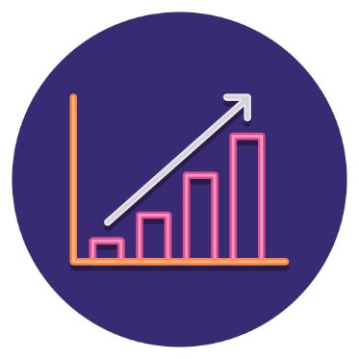
Dashboard
Analyze and monitor the HR department
2.6


Number of employees
Leave taken

Leave taken by job title
50
 | Total
Manager | 122
Analyst | 28
Designer | 110
Developer | 104
HR Specialist | 123
Average Rating

Skills Breakdown
Total Employees
Regions
Employees per regions
Central | 14
East | 10
North | 7
South | 10
West | 9
Male
Communication
 | 52%
 | 48%
Female
 | 48%
 | 52%
12

Excel
7
52%
48%

Paython
9
Analyst
Manager
Developer
Designer
HR Specialist
Designer
11
Employments Status Breakdown

Management
11
Age Range
Salaries
 | Total
Contract | 17
Full-Time | 20
Part-Time | 13
No of employees accroding to age range & gender
Part
Time
Employees
Salary around by job titel
Male
Female
Work Location
 | Female | Male
18-25 | 6 | 3
26-35 | 7 | 6
36-45 | 5 | 7
46-55 | 4 | 3
56 < | 4 | 5
Total Salary
3,104,913
13
Emplyees to workplace
Brance Office
Manager
731,170
 | 46% | 54%
46%
Analyst
167,041
Head Office
Employees
With
Contract
Full
Time
Employees
 | 16% | 84%
Developer
633,594
16%
Designer
613,842
 | 38% | 62%
Remote
17
20
38%
HR Specialist
959,266

